Project3763
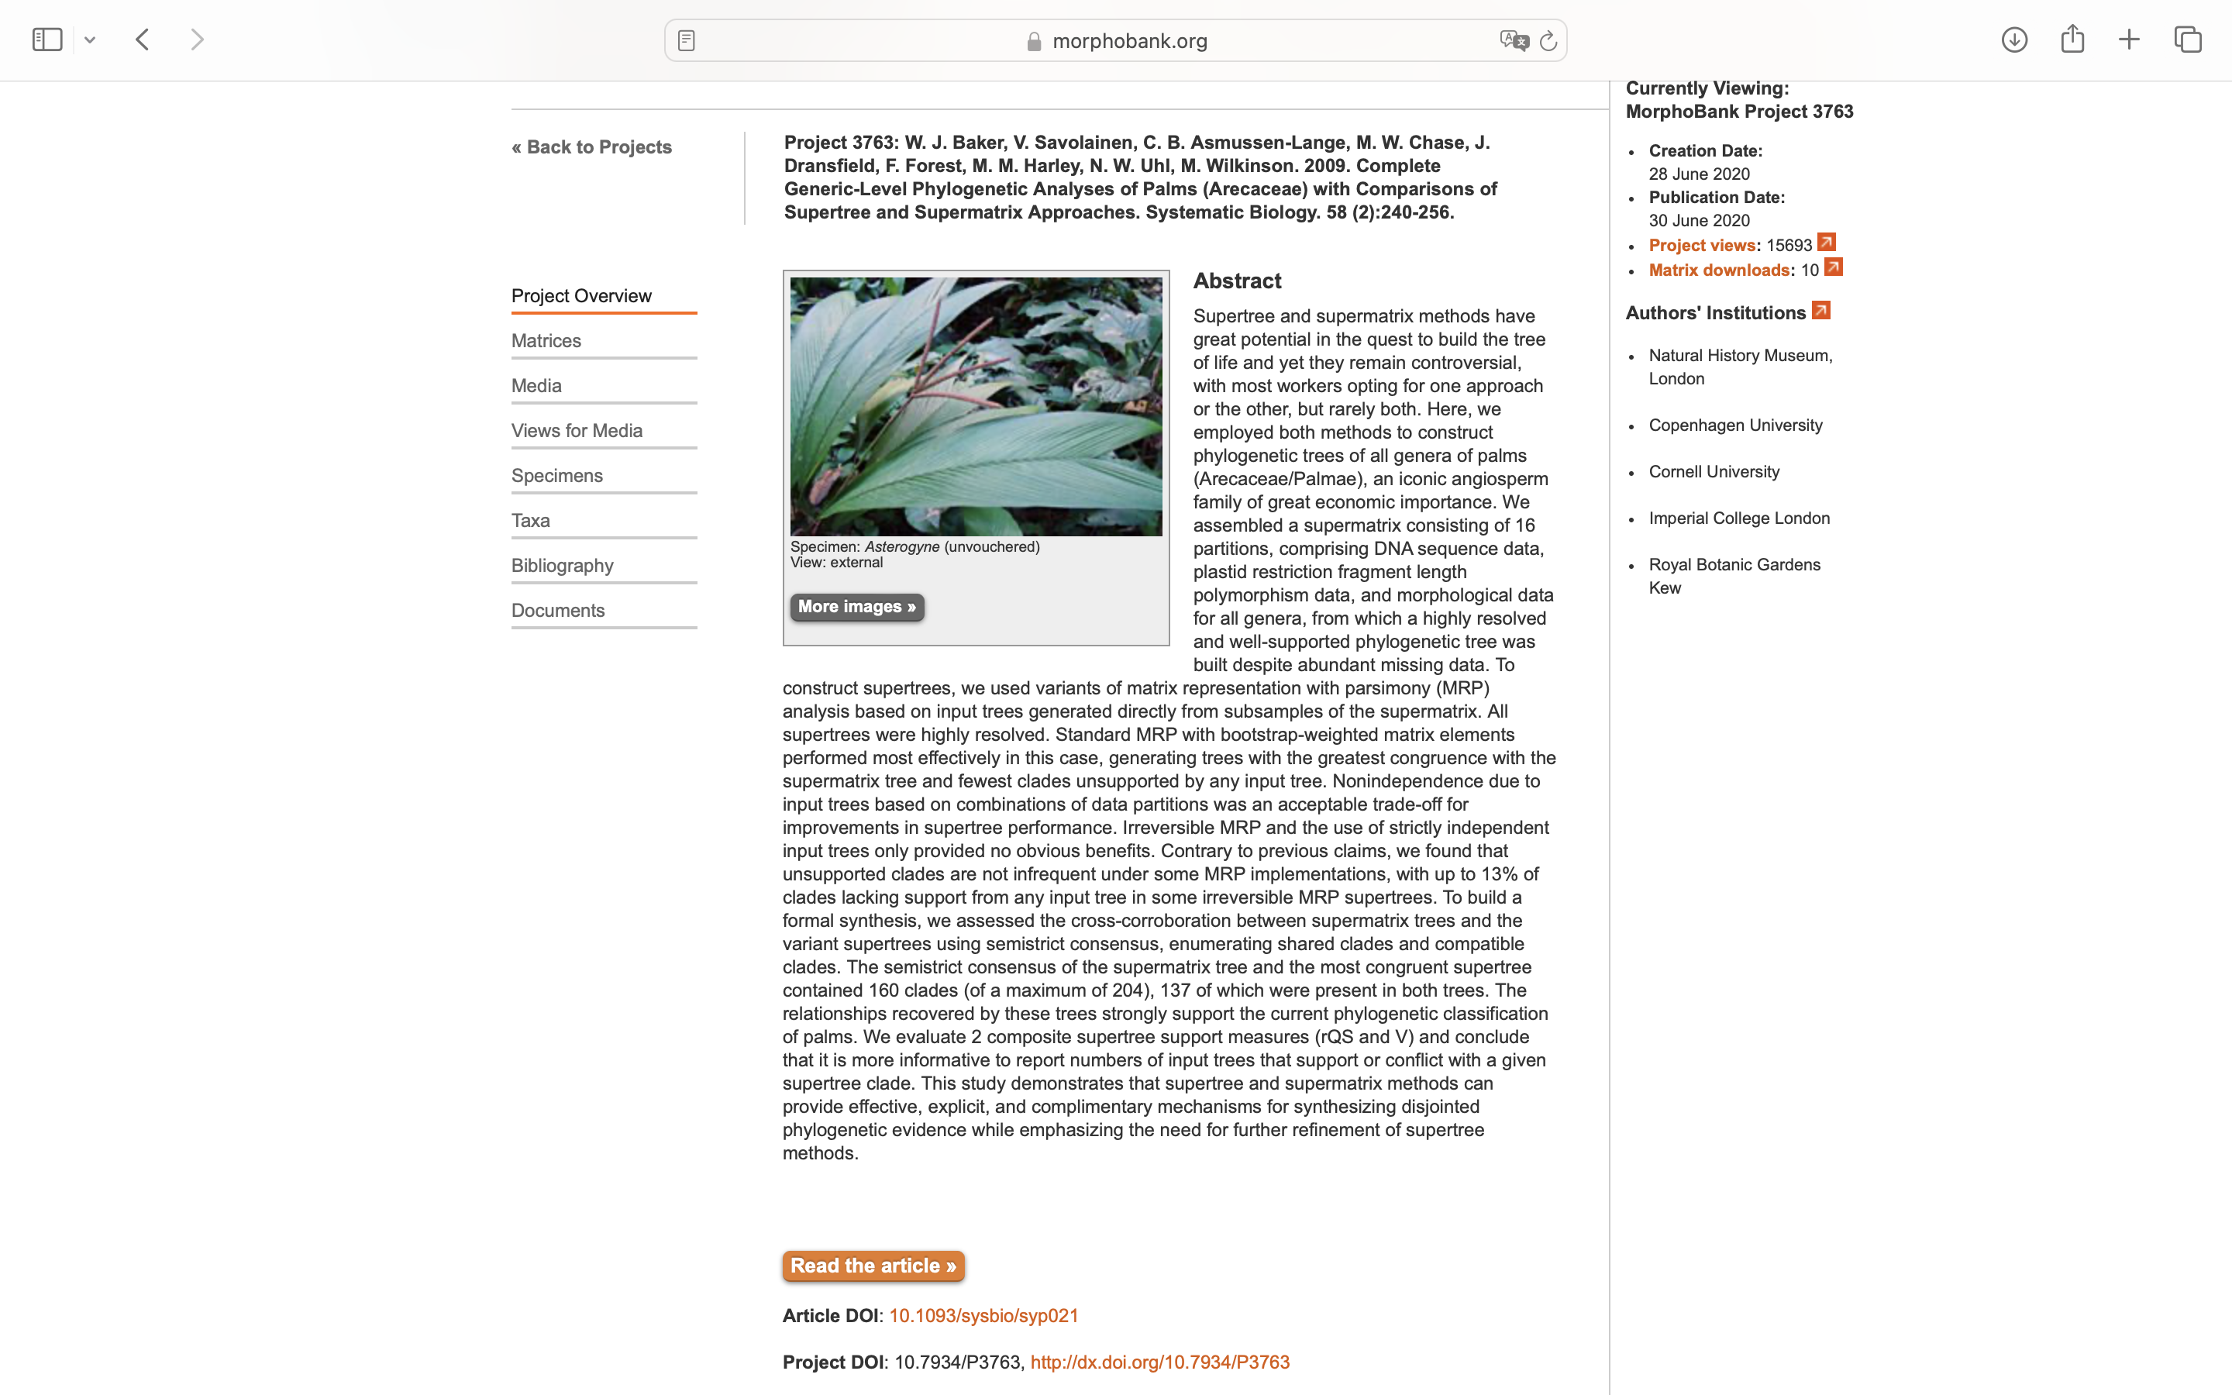
Charlabels | Character Pattern | Unseen States
[1] 'Dichotomous branching' | Neomorphic | NO
[2] 'Leaf shape' | Transformational | YES
[3] 'Leaf sheath1' | Transformational | YES
[4] 'Leaf sheath2' | Transformational | YES
[5] 'Leaf sheath3' | Transformational | NO
[6] 'Leaf sheath4' | Transformational | NO
[7] 'Leaf sheath extension' | NT?;0=0-;1=11;2=12;3=13
[8] 'Stilt roots' | Neomorphic | NO
[9] 'Emergent spines' | NT?;0=0-;1=11;2=12
[10] 'Root spines' | Neomorphic | NO
[11] 'Petiolar teeth' | Neomorphic | NO
[12] 'Petiole split at base' | Neomorphic | NO
[13] 'Adaxial hastula' | Neomorphic | NO
[14] 'Primary leaf splitting' | NT?;0=11;1=12;2=13;3=0-
[15] 'Secondary splits' | Transformational | YES
[16] 'Lamina with central abaxial fold deeply split' | Neomorphic | NO
[17] 'Leaflets' | Transformational | YES
[18] 'Phloem strands in petiole' | Transformational | YES
[19] 'Lamina anatomy' | Transformational | YES
[20] 'Silica bodies' | Transformational | YES
[21] 'Resin gum canals' | Neomorphic | NO
[22] 'Guard cells' | Transformational | NO
[23] 'Flowering' | Transformational | YES
[24] 'Prophyll' | Transformational | NO
[25] 'Prophyll2' | Transformational | NO
[26] 'Rachillae' | Transformational | NO
[27] 'Prophyll tip' | Transformational | YES
[28] 'Prophyll split with respect to main axis' | Transformational | YES
[29] 'Peduncular bracts' | Transformational | YES
[30] 'Peduncle' | Transformational | NO
[31] 'Rachis bracts' | Transformational | YES
[32] 'Inflorescence branching' | Transformational | YES
[33] 'Inflorescence branches' | Transformational | YES
[34] 'First order branches' | Transformational | NO
[35] 'Inflorescence branches2' | Neomorphic | NO
[36] 'Rachillae2' | Transformational | NO
[37] 'Rachillae3' | Transformational | YES
[38] 'Rachilla bracts' | Transformational | NO
[39] 'Flowers' | Transformational | YES
[40] 'Cincinnus' | Transformational | YES
[41] 'Flowers or flower clusters' | Transformational | YES
[42] 'Flowers2' | Transformational | YES
[43] 'Flower sex' | Transformational | NO
[44] 'Sexual expression' | Transformational | NO
[45] 'Staminate and pistillate flowers' | Transformational | NO
[46] 'Perianth' | Transformational | YES
[47] 'Perianth2' | Transformational | YES
[48] 'Perianth3' | Transformational | NO
[49] 'Pedicelliform corolla' | Neomorphic | NO
[50] 'Hermaphrodite flower sepals' | Transformational | YES
[51] 'Hermaphrodite flower sepals2' | Transformational | YES
[52] 'Hermaphrodite flower petals' | Transformational | YES
[53] 'Hermaphrodite flower petals2' | Transformational | YES
[54] 'Staminate flower sepals' | Transformational | YES
[55] 'Staminate flower sepals2' | Transformational | YES
[56] 'Staminate flower petals' | Transformational | YES
[57] 'Staminate flower petals2' | Transformational | YES
[58] 'Pistillate flower sepals' | Transformational | YES
[59] 'Pistillate flower sepals2' | Transformational | YES
[60] 'Pistillate flower petals' | Transformational | YES
[61] 'Pistillate flower petals2' | Transformational | YES
[62] 'Stamens' | Transformational | YES
[63] 'Stamen filaments' | Transformational | YES
[64] 'Stamen filaments2' | Transformational | YES
[65] 'Stamen filaments3' | Transformational | YES
[66] 'Stamens2' | Transformational | YES
[67] 'Anthers' | Transformational | YES
[68] 'Connective' | Transformational | NO
[69] 'Pollen aperture number' | Transformational | YES
[70] 'Aperture position' | Transformational | YES
[71] 'Aperture type' | Transformational | YES
[72] 'Sulcate grains' | NT2;0=0-;1=11;2=12
[73] 'Pollen shape' | Transformational | YES
[74] 'Tectum' | Transformational | NO
[75] 'Symmetry' | Neomorphic | NO
[76] 'Supratectate processes' | Neomorphic | NO
[77] 'Intectate processes' | Neomorphic | NO
[78] 'Pistillode' | Transformational | YES
[79] 'Staminodes' | Neomorphic | NO
[80] 'Staminodes2' | Transformational | YES
[81] 'Staminodes3' | Transformational | NO
[82] 'Staminodes4' | Neomorphic | NO
[83] 'Carpels' | Transformational | YES
[84] 'Carpels2' | Transformational | YES
[85] 'Carpels3' | Transformational | NO
[86] 'Ovule attachment' | Transformational | YES
[87] 'Ovules' | Transformational | YES
[88] 'Ovules2' | Transformational | NO
[89] 'Pericarp' | Transformational | NO
[90] 'Pericarp2' | Neomorphic | NO
[91] 'Endocarp externally' | Transformational | YES
[92] 'Endocarp internally' | Transformational | YES
[93] 'Endocarp' | Transformational | NO
[94] 'Endocarp pores' | Transformational | YES
[95] 'Endocarp2' | Transformational | NO
[96] 'Pyrenes' | Neomorphic | NO
[97] 'Stigmatic remains' | Transformational | YES
[98] 'Seed attached' | Transformational | YES
[99] 'Seed coat penetration (postament)' | Neomorphic | NO
[100] 'Endosperm' | Transformational | YES
[101] 'Embryo' | Transformational | YES
[102] 'Stamen development' | Transformational | NO
[103] 'Germination' | Transformational | YES
[104] 'Eophyll' | Transformational | YES
[105] 'Chromosome number n' | Transformational | YES

